Sheet1
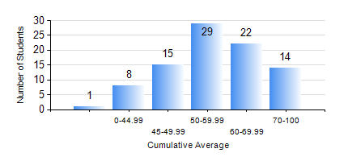
 |  |  | KWAME NKRUMAH UNIVERSITY OF SCIENCE AND TECHNOLOGY, KUMASI Department of Mechanical Engineering

 |  |  | BSC. INDUSTRIAL ENG.

 |  |  | COMPREHENSIVE RECORD OF EXAMINATION RESULTS

 |  |  | RESULTS OF YEAR 1 SECOND SEMESTER, 2024/2025 ACADEMIC YEAR

 | Sn | Course Code |  | Course Name | Credit Hours | Min. Mark | Max. Mark | Avg. Mark | Std. Dev. | No. Passed | No. Trailed | No. (Df) | No. (I) | No. (I*) | No. Tagged(I,I*,Df) | Total
 | 0. |  |  |  |  |  |  | 0 | 0 | 0 | 0 | 0 | 0 | 0 | 0 | 3
 | 1. | EE 152 |  | BASIC ELECTRONICS | 2 | 40 | 89 | 63 | 14.28 | 85 | 0 | 0 | 1 | 0 | 1 | 86
 | 2. | ENGL 158 |  | COMMUNICATION SKILLS II | 2 | 35 | 84 | 63 | 9.06 | 85 | 1 | 0 | 0 | 0 | 0 | 86
 | 3. | IE 174 |  | FIRST YEAR DESIGN PROJECT | 2 | 20 | 77 | 63 | 8.24 | 85 | 1 | 0 | 0 | 0 | 0 | 86
 | 4. | MATH 152 |  | CALCULUS WITH ANALYSIS | 4 | 41 | 91 | 61 | 13.33 | 85 | 0 | 0 | 1 | 0 | 1 | 86
 | 5. | ME 160 |  | ENGINEERING DRAWING | 3 | 26 | 75 | 52 | 12.49 | 74 | 10 | 0 | 2 | 0 | 2 | 86
 | 6. | ME 164 |  | ENGINEERING MECHANICS I:STATICS | 2 | 24 | 95 | 70 | 16.05 | 83 | 2 | 0 | 1 | 0 | 1 | 86
 | 7. | ME 168 |  | COMPUTER PROGRAMMING FOR ENGINEERS | 2 | 10 | 85 | 51 | 15.77 | 73 | 11 | 0 | 2 | 0 | 2 | 86

